Cover
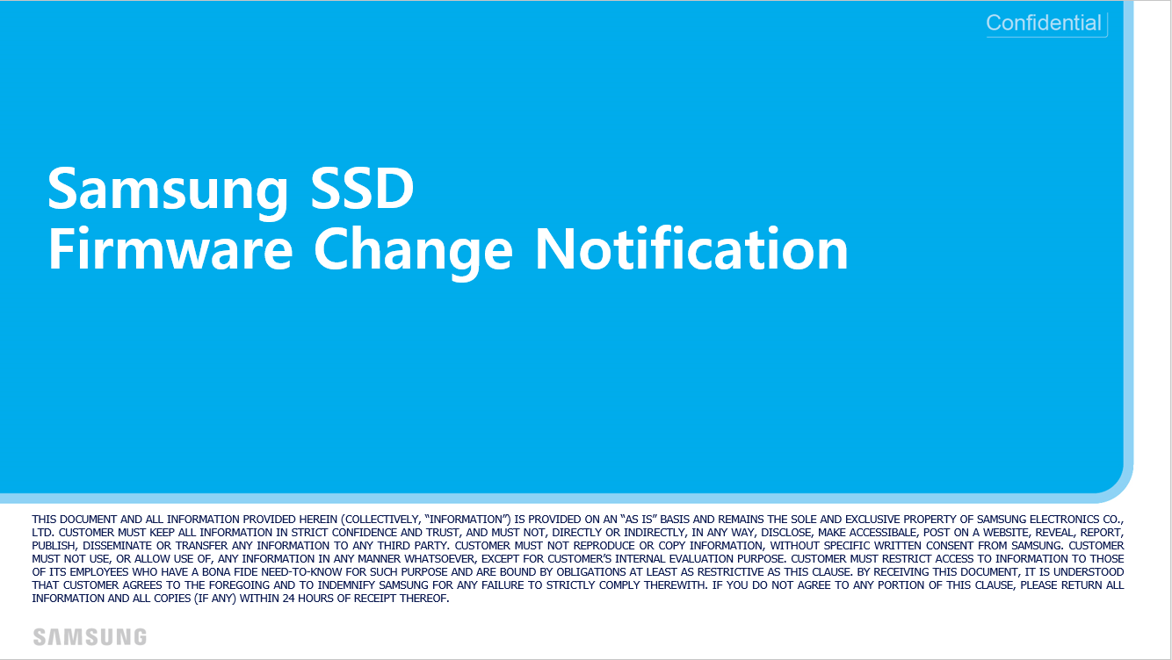

PM9A3 Generic (M.2, 07 bucket)

GDC7302Q
No. | Samsung Internal Key | SUMMARY | ISSUE-TYPE | Severity | Likelihood | FAILURE SCENARIO | ROOT CAUSE | Description (FW changes)
1 | AWDEN-4704 | NVMe MI Memory Corruption | Defect | High | Medium |  |  | Fix the code to send ‘Invalid parameter Error Response’ when FW cannot process Replay Offset #N.
2 | AWDEN-4774 AWDEN-4761 AWDEN-4763 | Interval Read caused Read Disturb UECC | Defect | High | Low | Host issues read command on cold data region with some interval. The error bits on that cold data written NAND wordline are abnormally grown by interval read and result in read UECC finally. | The Read recovery time was insufficient which is to eliminate the given voltage. When read, the certain voltage was given and then there is recovery operation follows to eliminate the voltage (= recovery operation). However, in this failure case, due to insufficient time given for recovery operation, there remains a little voltage and it disturbs other word lines. | Optimize the firmware to increase the time for Recovery operation to eliminate the remaining voltage.
3 | SDPM9A3-5054 | PM9A3 M.2 SSD connected to PCH with link as PCIe Gen3*2lane, then in DC cycle test, it drop to PCIe Gen2 | Defect | Medium | Low | During test PM9A3 M.2 as boot drive, and meet PCIe speed down from PCIe Gen3*2lane to PCIe Gen2. PM9A3 M.2 SSD connected to PCH with link as PCIe Gen3*2lane, then in DC cycle test, it drop to PCIe Gen2 | After Gen3 Speed Change occurs, LUR(link up retry) is performed because of x2-lane. The host system recognizes this operation as a Gen3 speed change failure. After that, the host system does not attempt Gen3 speed change. Host System tried to change to Gen2 speed | 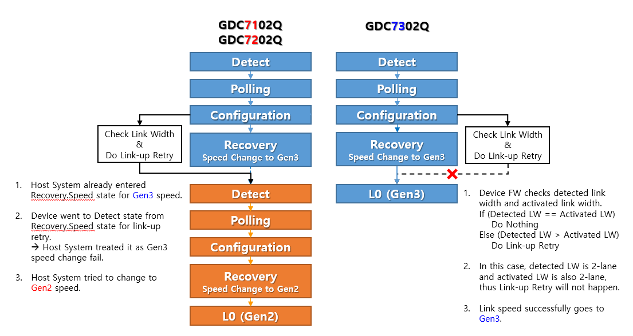 If only 2-lane is physically connected, Device will not perform LUR

GDC7202Q
No. | Samsung Internal Key | SUMMARY | ISSUE-TYPE | Severity | Likelihood | FAILURE SCENARIO | ROOT CAUSE | Description (FW changes)
1 | NA | Debug Ability | Enhancement | - | - | Refer the attached document. | N/A | FW downgrade limitation (Not able to downgrade from GDC7201Q or later ver. to GDC7102Q or previous ver.)
2 | AWSECURITY-1959 | Modify SMBR invalid success | Defect | Medium | High | When the TPer is reset, the SMBR is enabled. After the TPer reset, the Read Command must return to the following range as an error, but it is performed as Success. | The security command operates as a Send-Receive pair and updates the context viewed by HIL in the receiving execution. Since the TPer Reset is a command that only operates with the Security Send command, the context shared with HIL is missing because the Receive is not executed. | Modified to update the context to which HIL refers in the TPer Reset.
3 | AWDEN-4267 | I/O Blocking during FW Activation | Enhancement | Low | Low | When issueing Host I/O and FW Commit Command at the same time, timeout could be occurred by FW meta write when Option ROM is enabled. | PM9A3 was designed to be able to process I/O during FW Commit, and FW meta write operation was not optimized for performance. Therefore, if Meta write and Host IO are mixed during FW Commit, it takes a long time because NAND should be flushed whole area for NAND mode change. | To do not mix Meta write and Host I/O by blocking Host I/O during FW Commit
4 | AWDEN-4256 | Support MCTP Control Message and ARP | Enhancement | - | - | BMC issues command "Prepare to ARP" to PM9A3 BMC issues command "Get UDID" to PM9A3 BMC issues command "Assign address" to PM9A3 Send MCTP message "Set Endpoint ID" to PM9A3 The response of “Set Endpoint” command from PM9A3 is incorrect (refer to Step 4). Thus BMC can’t complete MCTP discovery to PM9A3 | There is no process for MCTP Control Message Type 0x00 | Add the functionality of executing ‘Set Endpoint ID’ command for both ‘Message Type 0x00’ and ‘Request Message’.
5 | AWDEN-4316 | Fixed free area reference error when creating NS | Defect | Medium | Medium | 1. Create 4 NS 2. Delete NS 2&3 (Fragment 1) 3. Create new NS as 1664 GiB size 4. Create another new NS as 944GiB size |  Execute the packing table that should be done once at the end of creation for each Fragment Search. |  Modified to perform the packing table after creation completion.
6 | AWDEN-4338 | Improve NSSR CMD timeout during Sanitize | Defect | Medium | Low | When NSSR issue during Sanitize, if Core reboot occurs by WDT reset. During open process, Recover Reset occurs because an unintended I/O is issued to Fcore during Sanitize Resume, then the command is timed out. | Unintended I/O occurs during Suspend operation for Sanitize Resume, it causes Recovery Assert in Fcore. | Changed to block I/O that issues from Hcore to Fcore when it becomes Sanitize Resume after WDT reset and POR.
7 | AWDEN-4341 | Improvement of Exception Case processing when Journal buffer is full | Defect | High | Low | Device Fail due to Invalid Journal Buffer Address when SPO | In case that 12 Journal Buffers are used while running time in FW, and all 12 Journal Buffers are used at the time of PLP, 3 Journal Buffers are left for PLP. The processing of the Journal Buffers is missing and the Device Fail enters the Invalid Journal Buffer Address. | Added processing for the use of Journal Buffer for PLP
8 | AWDEN-3907 AWDEN-3873 | Enhancement HW Exception | Enhancement | - | - | N/A | N/A | [Temp. Sensor] 1. Retry scheme when Temp. Init. 2. Change the starting timing of TSM(Thermal Safe Mode) [PLP IC] 3. CHM disable when CHM criteria write fail 4. To do not enter cap fail mode when CHM value read fail
9 | AWSECURITY-2026 | CNL Feature Disable for unsupported product | Enhancement | Low | Low | The Configurable Namespace Locking (CNL) Descriptor may be included in the response to the Level 0 Discovery Command for OEMs that have not explicitly requested the CNL among the Opal SSC feature sets. | N/A | Modified to exclude products that do not support CNL from the Level 0 Discovery Command by disabling the CNL feature.
10 | AWDEN-4377 | Fix the error on the Exception Count(UECC, ..) of DSLR UDATA | Defect | Low | Low | When GetLog DSLR, the sum of the exception count of all UDATs is not the same as the value of TDATA Exception count of UDATA is overwritten and displayed with the value of UDATA last updated | 1) Configure the UDATA upon DSLR update every hour. 2) Transform the UDATA into Big Endian upon GetLog and copy it to Transfer Buffer. 3) When copying the UDATA at GetLog, the Exception Count portion is not properly copied and left as Old Data (last updated UDATA Value). | Change the Exception Count to copy properly during GetLog
11 | AWDEN-4394 | Improved H2D Burst Length setting error according to MRRS value | Defect | Medium | Medium | Set Max Read Request Size (MRRS) to a value other than 512B (default) in a specific customer system Error response due to HDMA error during Write and Download command issues | HDMA H2D Burst Length is not changed according to the changed MRRS Completion Abort (CA) for PCIe memory read is generated by requesting read request in larger size than MRRS | Improved MRRS setting logic
12 | AWDEN-4434 | Guide update for Page Copier | Defect | High | Low | 1. Program failure has occurred, and all programs are uploaded to FCore with Retry Command. 2. FCore is waiting for the state of PC to WaitToSusp to issue RetryDone to PC after completion of Retry processing 3. PC cannot go to WaitToSusp State because CQ is not received after requesting buffer allocation to BA (PC: Busy State) 4. FCore Hang that waits for PC to continue WaitToSusp | 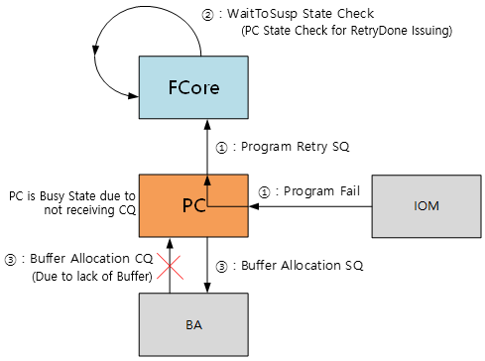 In the case of Full Valid Copy Type, there may be a situation where the number of buffers is more needed than the previous number of buffers configuration guide. The state transition is not possible due to WaitToSusp due to insufficient number of buffers because the contents are missing in the guide. | Guide change for setting the number of buffer
13 | AWDEN-4457 | Improve for HIL/Security Meta Mismatch at Read Only Mode | Defect | High | Low | Recovery reset by Security meta commitID mismatch at read only mode → Error mode [Suspected Scenario] Read only mode or Cap. fail write through mode → Execute TCG command → Error mode during POR | Save the Security meta at Read only mode but do not save HIL meta, so Commit ID mismatch then failed. | Read only case : Not save both Security meta & HIL meta Cap fail→FUA mode : Save both Security meta & HIL meta
14 | AWDEN-4448 AWDEN-4476 | Improvement for I2C Hang | Enhancement | High | Medium | Critical Warning Bit 4 was set to ‘1’ during power cycling | Because of P3(Power Disable Pin) pulse, internal power drops and affects I2C signal. This makes intermittently I2C hang failure, but not 100%. Found the fail case is dependent on the timing. 500~600 us after P3 high, CTRL_RESETB is de-asserted. If CTRL_RESETB is de-asserted during Data0 transfer, it causes I2C hang. In other timing, I2C is recovered. | If the controller detects I2C timeout, recover the data line through I2C soft reset and re-initialization.
15 | AWDEN-4458 | Improvement Errormode for PLP Fail | Defect | High | Low | Error mode is occurred during removal and insertion of the drive due to PLP dump fail (timeout). | When SPO(Sudden Power Off) occurs during NVMe MI operation, there are data transactions over SMBUS in ISR (Interrupt Service Routine) mode. These data transactions in ISR mode can be slow, takes longer PLP processing time. As a result, PLP dump fails, and the drive becomes Error mode. | If there is ISR mode during PLP, exit from the ISR mode to do not PLP dump fail.
16 | AWDEN-4464 | Improvement of Command Timeout under Heavy Write + Trim | Defect | Medium | Low | command timeout can be occurred during host issue both heavy write command and Trim command at the same time | During Trim command processing, HCore does not have to check the Queue of CMCore, but the Trim processing is delayed because it is checking. | Modified to do NOT check the queue of CMCore when Hcore is handling Trim Command.
17 | AWDEN-3821 AWDEN-3931 | Bug Fix on Namespace Operation | Defect | Low | Low | 1. When Namespace create/delete request was not completed, there could be information mismatch between Security module and Namespace module and causes error 2. When FormatNVM SES=1 is performed with Munti-NS FW and additional NS never be created, SSD should use NSID that Host has given but tried to format to NSID 0 | 1. Security module did not rollback the failed information 2 Firmware refered to incorrect NSID variable and use NSID 0 to format | 1. When Namespace operation failed, Security module to update/rollback the information 2. Delete incorrect NSID variable and firmware to refer Host NSID
18 | AWDEN-3827 | Refer abnormal memory address when firmware update | Defect | High | Low | Drive hang with FW update and SPOR. | The memory address remained as unchanged under specific condition (SPOR : Sudden Power Off Recovery), which causes hangout (drive is not ready) during open process after POR. | To do not get the old address
19 | AWDEN-3837 | LBA format by FormatNVM is allowed when FormatNVM is to All namespace | Enhancement | Low | Low | Format NVM to All NS | LBA format change is not allowed | LBA format change is allowed only when FormatNVM to all namespace
20 | AWDEN-3843 AWDEN-3849 | When Shutdown+FW Activate(AA=3), Firmware to maintain RDY Bit to set | Defect | Low | Medium | While FW Activate without Reset, Shutdown comes | When FW Activate is halt by Reset, firmware clears RDY Bit regardless type of reset However, per spec, RDY bit should be maintained when Shutdown | Firmware change to maintain RDY bit when FW activate halt by Shutdown
21 | AWDEN-3931 | NVMe MI Data structure updated | Defect | Medium | Medium | MI Command, NVM Subsystem Health Data Structure, Drive Functional, Reset Not Required updated | MI Command, NVM Subsystem Health Data Structure, Drive Functional, Reset Not Required updated | MI Command, NVM Subsystem Health Data Structure, Drive Functional, Reset Not Required updated
22 | AWDEN-3882 | Shutdown max time change per drive capcity | Enhancement | Low | High | Shutdown | Shutdown max time should be allowed differently per drive capacity but it allows same 8 seconds to all capacity | Shutdown max time changes 8s for 4TB and lower, 16s for 8TB, 32s for 16TB
23 | AWDEN-3821 AWDEN-3931 | Reset timeout during sanitize (only 8TB) | Defect | Medium | Low | Timeout when reset during Sanitize (FormatNVM SES=1), Only for 8TB product. | Reset is requested during Sanitize, IPC should be issued on Fcore, then timeout. (8TB product takes longer time for sanitize.) | To do not response IPC during sanitize.
24 | AWDEN-3864 AWDEN-3956 | Error response on Unsupported MI PCIe command | Defect | Low | Low | Unspported NVMe MI command | Error was not responded when tried unspported NVMe MI command | firmware change to response error for unsupported NVMe MI command
25 | AWDEN-3998 | Wearleveling fix when sanitize | Defect | Medium | Medium | During hot spot write test, when Sanitize is performed, EC Gap get bigger than 2K | During the ‘Sanitize’ execution, the EC value of the blocks is increased by 1 after the erase operation is completed for the blocks. However, current FW logic performed the above operation after rebuilding the Free Block list and an error occurred in the TotalEC value which the increased EC value are not reflected. So, Wear Leveling could not be performed because the block with HighEC was judged incorrectly. | Samsung modified to calculate the exact TotalEC value after performing the ‘Sanitize’.
26 | AWDEN4001 | MCTP Transmission Unit Size changed to 250 | Enhancement | Low | Low | MCTP Transmission Unit size chagne to 250Byte | MCTP Transmission Unit size chagne to 250Byte | MCTP Transmission Unit size chagne to 250Byte
27 | AWDEN-3973 | PLP Dump fail while Open GC | Defect | High | Low | PLP dump fail when urgent GC | Urgent GC can run as soon as User Volume open and Fcore and internal module for urgent GC can request NAND write at the same time. However Fcore request on PLP start mark waits the completetion and in the meantime, the write request by internal module for urgent GC is not serviced. It causes PLP dump timeout during PLP | Fcore request on PLP mark changes as Async not to wait completion
28 | AWDEN-3955 | DTT Critical Mode Fix | Defect | Medium | Medium | DTT Critical | Thermal throatling is not applied for drive internal operation | Fix firmware to apply throattle for device internal operation as well
29 | AWDEN-4011 | Host OS hang when NVMe MI FW Commit Cmd | Defect | Medium | Low | NVMe Admin Cmd through NVMe MI Sideband, FW Commit CMD Commit Action 3 causes OS Hang | For the FW commit command which triggered through sideband, completion queue should not be returned as there is no host submission queue. But completion queue was returned and causes OS hang due to unexpected Completion Queue | When FW Commit Task, firmware to check whether In/Sideband and completion queue is returned for Inband only when Activation Done
30 | AWDEN-3931 AWDEN-3933 | UNH-IOL Issue fix | Defect | Medium | High | UNH-IOL 13.0a Fail ID Controller data structure 111 byte Controller Type (CNTRLTYPE) 0h For SetFeature(Number of Q), Command Sequence error | 1) Per NVMe Spec. version 1.4, 0h can't be used 2) Set feature command should be handled as an error when create Q ever performed after ready but firmware did not check | 1) Per NVMe Spec. version 1.4, 1h is used 2) Set feature command will be handled as an error when create Q ever performed after ready
31 | AWDEN-4024 | AER response on all Internal Error | Defect | Medium | Medium | AER on internal Error | Per NVMe Spec. 1.3d, when Internal Error, AER should be returned | Per NVMe Spec. 1.3d, when Internal Error, AER should be returned
32 | AWDEN-4047 | When WDT Reset, Asynchronous Event Configuration to be maintained | Defect | Low | Medium | WDT Reset | When WDT Reset, Asynchronous Event Configuration to be maintained but it is reset | When WDT Reset, Asynchronous Event Configuration to be maintained
33 | AWDEN-4068 | NVMe MI Data NACK Handling fix | Defect | Low | Low | When Host request Basic data to Device, the Offset was not applied but shifted in byte | For Host's Invalid Write operation, NACK is returned but offset was not cleared and next host read had invalid offset | When NACK is returned, offset will be cleared
34 | AWSECURITY-1771 AWDEN-4007 AWDEN-4023 AWDEN-3990 | ULINK Compliance Issue fix | Defect | Low | High | NSID Handling error | For the commands that do not use NSID, when FFFF_FFFFh NSID is requested, firmware did not return error When Set/GetFeature is requested with invalid error, firmware did not return error When commit action is requested as replace only for the activated slot, firmware did not return error | Corrected error returns on the Invalid NSID request
35 | AWDEN-4100 | SMBus Interrupt Handling Error fix | Defect | Medium | Medium | When SMBus master operation and timeout interrupt occurs, interrupt handling was not properly performed | For SMBus IP which operates as slave, Basic and MI Receive IP did not have Timeout Interrupt Enabled | All SMBus IP to have Interrupt Enabled
36 | AWDEN-3688 | Reset T/O after Format NVMe fix | Defect | Low | Low | Format NVM SES=1 -> Reset -> Reset -> Reset T/O | If reset issues during formatNVM operation including sanitize, some last information could be cleared. If additional reset issues at this state, drive keeps waiting some information which was lost due to 1st reset, then fall into timeout | Change process to do not fall in timeout.
37 | AWDEN-4164 | When tried NS attach with NSID 0xFFFF_FFFF, error code modified | Defect | Medium | Medium | Command with Invalid NSID (0xFFFF_FFFF) | Firmware response either Invalid NSID or Format | Per NVMe 1.4b, For Namespace Attach command with 0xFFFF_FFFF NSID, firmware to return 'Invalid Field in Command'
38 | AWDEN-4148 | Support NVMe MI Basic Data Offset 5,6 5 : Set Feature Warning Temp. 6 : Idle Power, Active WorkloadLoad | Enhancement | Low | Low | Support NVMe MI Basic Data Offset 5,6 5 : Set Feature Warning Temp. 6 : Idle Power, Active WorkloadLoad | Support NVMe MI Basic Data Offset 5,6 5 : Set Feature Warning Temp. 6 : Idle Power, Active WorkloadLoad | Support NVMe MI Basic Data Offset 5,6 5 : Set Feature Warning Temp. 6 : Idle Power, Active WorkloadLoad
39 | AWDEN-4149 AWDEN-4144 | Miscompare Issue fix | Defect | High | Low | Invalid pattern is being read when read the LBA | Trim and Write are seperately controlled from different Core. If SPO occurs under lots of Trim and write command, unexpected unmap pattern could be read due to different PLP information. | Sync up Trim and Write PLP information when POR.
40 | AWDEN-4175 | Unexpected BG Unmap Issue fix- error mode | Defect | High | Low | Background Unmap causes Errormode | Occur unexpected background operation (BG unmap) due to PERST when FW activation. Due to this background operation (BG unmap), map data corruption occurs then go to error mode. | To do not background operation (BG unmap) when FW activation suspend.
41 | AWDEN-4212 | OCP 1.0a C0h Cloud Attribute Log added | Feature | Low | Low | Cloud Attribute Log Page - 0xC0 added | Cloud Attribute Log Page - 0xC0 added | Cloud Attribute Log Page - 0xC0 added
42 | AWDEN-4219 | Fast Cycle Count Fix | Defect | Low | Low | Fast cycle count at SMART is different (=0) with internal block event log | Fast cycle count at SMART did not refer to block event log. When the meantime between erase is within 3 seconds, firmware detects it as fast cycle. | Firmware to correct to show fast cycle count at SMART according to block event log
43 | AWDEN-4222 | CSTS.SHST initialization timing fix after CC.EN | Defect | Medium | Low | When Shutdown requested, CSTS.SHST is updated but after CC.EN = 0, CSTS.SHST was not cleared | Per Spec, CSTS.SHST is supposed to be cleared when CC.EN=0, but firmware resets CSTS.SHSTwhen CSTS.RDY=1 | Firmware to clear CSTS.SHSTwhen CC.EN=0
44 | AWDEN-4196 | AXI Flush T/O Fix While Reset | Defect | High | Medium | PCIe Reset with I/O | When PCIe reset, there is a case where FW waits indefinitely for the IO to arrive. During Flush sequence, when the IO block is released and If the IO’s destination is dummy slave, then dummy slave would complete the response, which would complete the IO operation, but the FW would wait for the IO forever This results in deadlock state for device, hence the device not responding | Instead of waiting for IO indefinitely, 100us wait time is implemented If the IO doesn’t arrive in the given 100us, FW can assume that IO was sent to a different destination (Dummy Slave) and flush is not needed
45 | AWDEN-4258 | NVMe MI Basic CMD PEC Error fix | Defect | Low | Medium | MI Basic Data PEC value calculation error | Some of values that requires to calcualte PEC was not selected when calculated | Firmware fix to select requried values
46 | AWDEN-4486 | Modified CFS entry phenomenon when accessing Controller register(PMR:Persistent Memory Region) | Defect | Medium | Medium | NVMe CLI 1.12 tool causes a CSTS=3 due to CFS(Controller Fatal Status) | NVMe register access with unaligned 8B address for 64-bit access is not supported (NVMe 1.14 tool has no issue.) | Firmware fix to ignore boundary crossing interrupt
47 | AWDEN-4507 | Hang due to Delete Namespace invoke multiple times | Defect | High | Low | Command T/O occurred when two NS #1(Same Namespace number) deletion command invoked. Command T/O observed with second invoked command. | 0) First NS deletion command under operation. 1) Context still refering by first issued command 2) Second NS deletion command invoked.(But context not aligned yet.) 3) T/O occurs because referring to the context that is not cleaned. | Firmware fix to wait for completion if there is an operation already being executed when determining whether the command can be started.
48 | AWDEN-4471 | Erase Suspend Hang W/A Guide | Defect | High | Low | NAND ERS(Erase) hang can occur when Erase suspend cmd is invoked at the beginning or end of an Erase (ERS) operation. | A F/F (Flip-flop) can unexpectedly transition to the next stage, and the next ERS sequence was missed. NAND goes into a hang state. | 1. Erase cmd (prepare for Write) 2. Read cmd is received 3. Erase Suspend cmd → NAND hangs 4. FW detects NAND hang 5. NAND reset 6. Erase completed 7. Read cmd executed
49 | N/A | ATA Security Feature Enable | Feature | Low | Low | N/A | N/A | ATA Security Feature Enable
50 | AWDEN-4439 | AER Commnad clear | Defect | Low | Low | Enter Error mode - AER CMD - PERST - Format NVM - AER complete | AER CMD doesn't clear at PERST Issue and then FormatNVM CMD caused AEN(Event Type Notice) set '1'. So AER CMD that was aborted would be issued completion. It makes gap at Completion Doorbell | AER Feature will be reset in Error mode
51 | AWDEN-4472 | FW Commit CMD Timeout | Defect | Low | Low | FW Commit CMD issue during Sanitize in progress | FW Commit Command should be abroted during Sanitize operation, however that command is actually aborted only after saving FW commit log, and saving FW commit log can be processed only after sanitize operation is completed. so, fw commit command timeout can be happend at this case. | Do not save commit Log during runtime. It will be saved at PLP time
52 | AWDEN-4482 | Errormode enter by read only workload | Defect | High | Low | Heavy read and ligh write workload in small range can cause several exception(EPI, Read Disturb..) handling at the same time. | When two exception situations occur at the same time, these exceptions can rarely use the same queue, at which time the exception processing is performed abnormally | Modified FW to use different queues when two exceptions occur at the same time.
53 | AWFIPS-348 | Using TRNG(True Random Number Generator), Embedded Health Test Error handling | Defect | Low | Low | N/A | At TRNG IP, Encrpytion key doesn't generate randomly well | Enhancde embedded Health Test Error handling
54 | AWDEN-4538 | SRAM UECC | Defect | High | Low | Issue PERST during Power on sequence | Before SRAM Scrub, SRAM could be access to generate Dump during Power on sequence | Before HW Intialize, skip conditional dump initiated by PERST
55 | AWDEN-4540 | Device Hang due to LPN access | Defect | High | Low | Command timeout can be happend after DRAM UECC occurs in L2P map DRAM | When UECC occurs in 'L2P map DRAM' area, this L2P is processed as 'Uncor'. Atthis time, the FW state is not changed properly due to the L2P stateprocessing problem. | In case UECC occurs in 'L2P map DRAM', modify FW so that the L2P statechanges properly.
TCG Metadata 4KB
TCG Metadata 4KB
TCG Metadata (8KB)
Missing
Successfully restored
56 | AWSECURITY-2218 AWDEN-4543 AWDEN-4545 AWDEN-4546 | TCG locking Enable | Defect | Low | Low | FW update happen old to new. All function of the TCG protocol, Except session by "Anybody Authority" are not available. | Total 8KB of TCG Metadata is supposed to be backed up and restored. But only half of metadata was committed during firmware update Due to Add 'Debug-ability' feature, | FW will be fixed to restore 8KB of TCG Metadata properly

